Milk Frother
ITEM LINK | ITEM PICTURE | ITEM NAME | ITEM SKU | UPC | QTY | CASE PACK
Amazon.com: Powerful Handheld Milk Frother, Mini Milk Foamer, Battery Operated (Not included) Stainless Steel Drink Mixer for Coffee, Lattes, Cappuccino, Frappe, Matcha, Hot Chocolate.: Home & Kitchen | 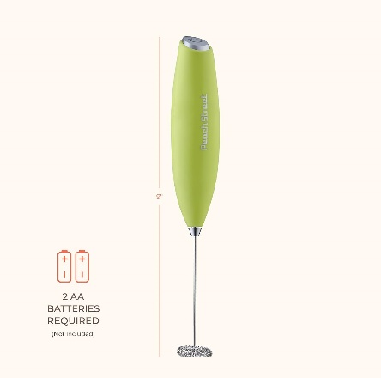 | PEACH STREET MILK FROTHER YELLOW | PE-1021/1 | 810087041465 | 287 | 100
Amazon.com: Powerful Handheld Milk Frother, Mini Milk Foamer, Battery Operated (Not included) Stainless Steel Drink Mixer for Coffee, Lattes, Cappuccino, Frappe, Matcha, Hot Chocolate.: Home & Kitchen | 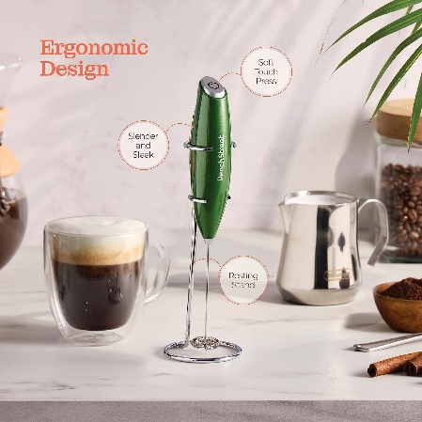 | PEACH STREET MILK FROTHER WITH STAND LIME GREEN | PE-109 | 810087040062 | 724 | 48
Amazon.com: Powerful Handheld Milk Frother, Mini Milk Foamer, Battery Operated (Not included) Stainless Steel Drink Mixer for Coffee, Lattes, Cappuccino, Frappe, Matcha, Hot Chocolate.: Home & Kitchen | 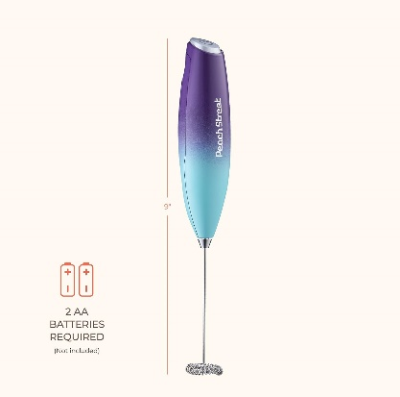 | PEACH STREET MILK FROTHER COTTON CANDY PINK | PE-105/1 | 810087041410 | 263 | 100
Amazon.com: Powerful Handheld Milk Frother, Mini Milk Foamer, Battery Operated (Not included) Stainless Steel Drink Mixer for Coffee, Lattes, Cappuccino, Frappe, Matcha, Hot Chocolate.: Home & Kitchen | 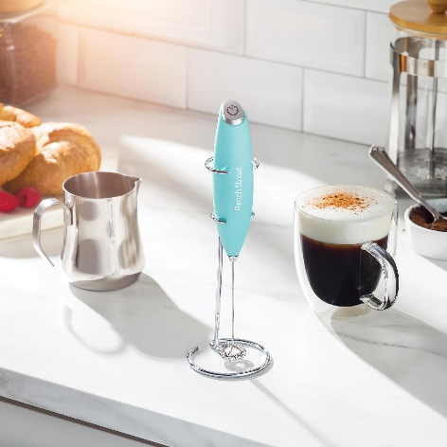 | PEACH STREET MILK FROTHER AQUA | PE-1025/1 | 810087041502 | 317 | 100
Amazon.com: Powerful Handheld Milk Frother, Mini Milk Foamer, Battery Operated (Not included) Stainless Steel Drink Mixer for Coffee, Lattes, Cappuccino, Frappe, Matcha, Hot Chocolate.: Home & Kitchen | 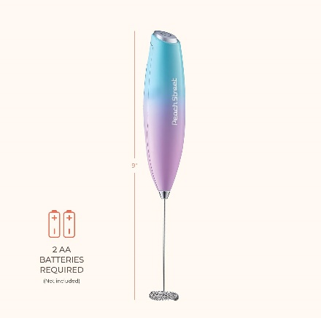 | PEACH STREET MILK FROTHER TEAL PINK | PE-1026/1 | 810087041519 | 1,123 | 100
Amazon.com: Powerful Handheld Milk Frother, Mini Milk Foamer, Battery Operated (Not included) Stainless Steel Drink Mixer for Coffee, Lattes, Cappuccino, Frappe, Matcha, Hot Chocolate.: Home & Kitchen | 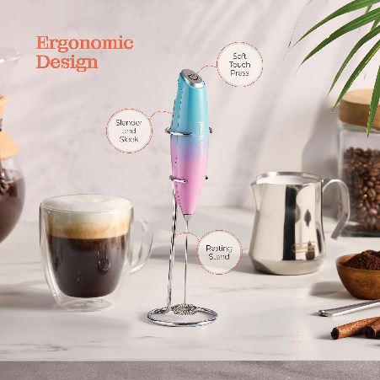 | PEACH STREET MILK FROTHER WITH STAND TEAL/PINK | PE-1026 | 810087040291 | 1,005 | 48
Amazon.com: Powerful Handheld Milk Frother, Mini Milk Foamer, Battery Operated (Not included) Stainless Steel Drink Mixer for Coffee, Lattes, Cappuccino, Frappe, Matcha, Hot Chocolate.: Home & Kitchen |  | PEACH STREET MILK FROTHER NORTHERN LIGHTS | PE-1027/1 | 810087041526 | 413 | 100
Amazon.com: Powerful Handheld Milk Frother, Mini Milk Foamer, Battery Operated (Not included) Stainless Steel Drink Mixer for Coffee, Lattes, Cappuccino, Frappe, Matcha, Hot Chocolate.: Home & Kitchen | 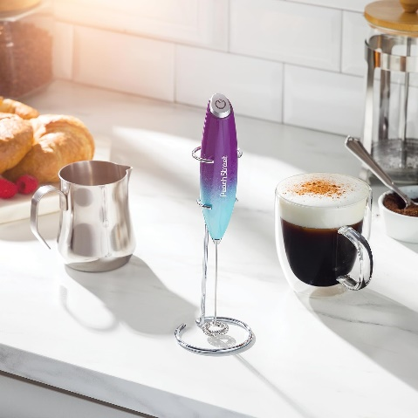 | PEACH STRRET MILK FROTHER WITH STAND NORTHEM LIGHTS | PE-1027 | 810087040307 | 1,123 | 48
Amazon.com: Powerful Handheld Milk Frother, Mini Milk Foamer, Battery Operated (Not included) Stainless Steel Drink Mixer for Coffee, Lattes, Cappuccino, Frappe, Matcha, Hot Chocolate.: Home & Kitchen |  | PEACH STREET MILK FROTHER WHITE RED | PE-1028/1 | 810087041533 | 578 | 100
Amazon.com: Powerful Handheld Milk Frother, Mini Milk Foamer, Battery Operated (Not included) Stainless Steel Drink Mixer for Coffee, Lattes, Cappuccino, Frappe, Matcha, Hot Chocolate.: Home & Kitchen | 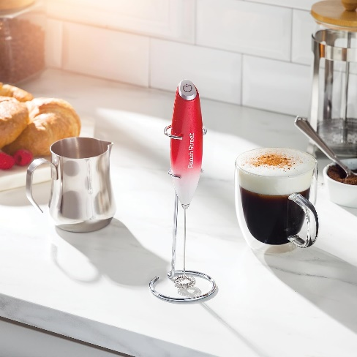 | POWER MILK FROTHER WITH STAND WHITE/RED | PE-1028 | 810087040314 | 1,231 | 48
Amazon.com: Powerful Handheld Milk Frother, Mini Milk Foamer, Battery Operated (Not included) Stainless Steel Drink Mixer for Coffee, Lattes, Cappuccino, Frappe, Matcha, Hot Chocolate.: Home & Kitchen | 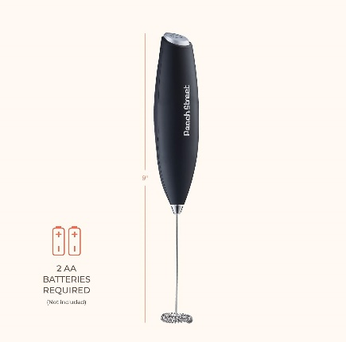 | PEACH STREET MILK FROTHER BLACK | PE-1029/1 | 810087041540 | 38,859 | 100
Amazon.com: Powerful Handheld Milk Frother, Mini Milk Foamer, Battery Operated (Not included) Stainless Steel Drink Mixer for Coffee, Lattes, Cappuccino, Frappe, Matcha, Hot Chocolate.: Home & Kitchen | 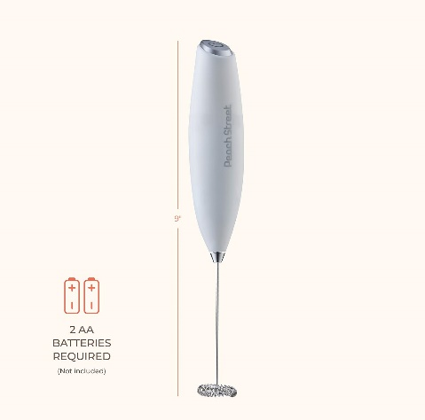 | PEACH STREET MILK FROTHER WHITE | PE-103/1 | 810087041397 | 482 | 100
Amazon.com: Powerful Handheld Milk Frother, Mini Milk Foamer, Battery Operated (Not included) Stainless Steel Drink Mixer for Coffee, Lattes, Cappuccino, Frappe, Matcha, Hot Chocolate.: Home & Kitchen | 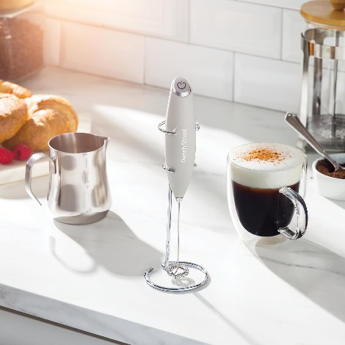 | PEACH STREET MILK FROTHER WITH STAND GRAY | PE-104 | 810087040031 | 230 | 48
Amazon.com: Powerful Handheld Milk Frother, Mini Milk Foamer, Battery Operated (Not included) Stainless Steel Drink Mixer for Coffee, Lattes, Cappuccino, Frappe, Matcha, Hot Chocolate.: Home & Kitchen | 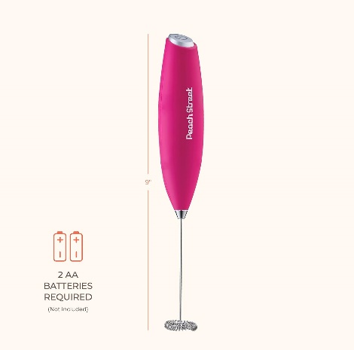 | PEACH STREET MILK FROTHER PINK | PE-105/1 | 810087041410 | 131 | 100
Amazon.com: Powerful Handheld Milk Frother, Mini Milk Foamer, Battery Operated (Not included) Stainless Steel Drink Mixer for Coffee, Lattes, Cappuccino, Frappe, Matcha, Hot Chocolate.: Home & Kitchen | 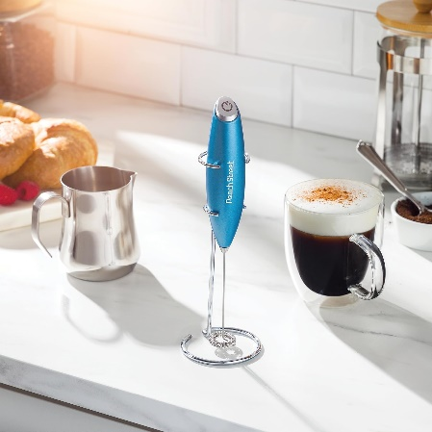 | PEACH STREET MILK FROTHER WITH STAND BLUE | PE-107 | 810087040048 | 162 | 48
Amazon.com: Powerful Handheld Milk Frother, Mini Milk Foamer, Battery Operated (Not included) Stainless Steel Drink Mixer for Coffee, Lattes, Cappuccino, Frappe, Matcha, Hot Chocolate.: Home & Kitchen | 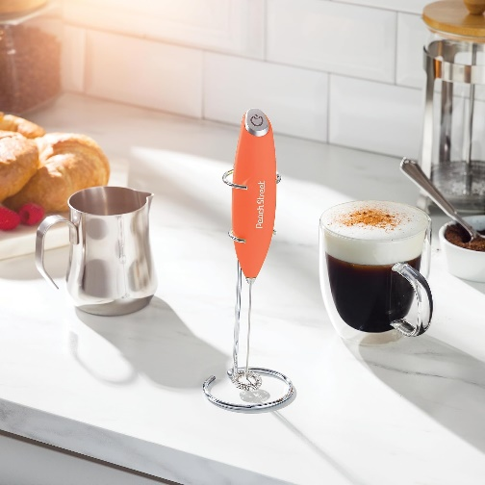 | PEACH STREET MILK FROTHER WITH STAND ORANGE | PE-108 | 810087040079 | 563 | 48
 |  |  |  |  | 47,491

